Script
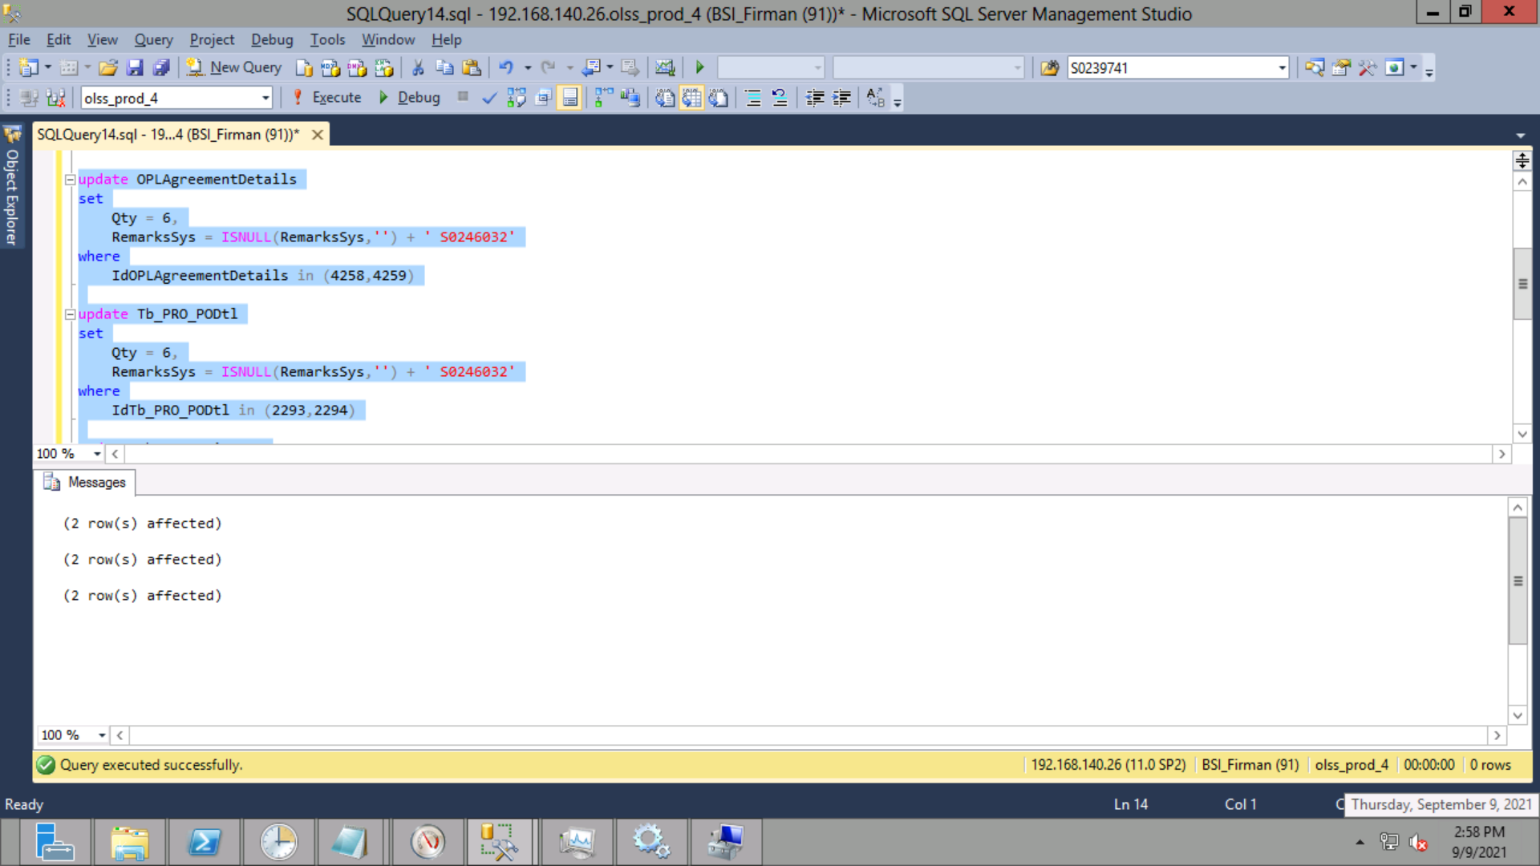
update OPLAgreementDetails
set
 | Qty = 6,
 | RemarksSys = ISNULL(RemarksSys,'') + ' S0246032'
where
 | IdOPLAgreementDetails in (4258,4259)

update Tb_PRO_PODtl
set
 | Qty = 6,
 | RemarksSys = ISNULL(RemarksSys,'') + ' S0246032'
where
 | IdTb_PRO_PODtl in (2293,2294)

update Tb_MGT_UnitPrep
set
 | Qty = 6,
 | BASTRemaining = 6,
 | BASTTotal = 6,
 | RemarksSys = ISNULL(RemarksSys,'') + ' S0246032'
where
 | IdTb_MGT_UnitPrep in (2048,2049)

Screenshot
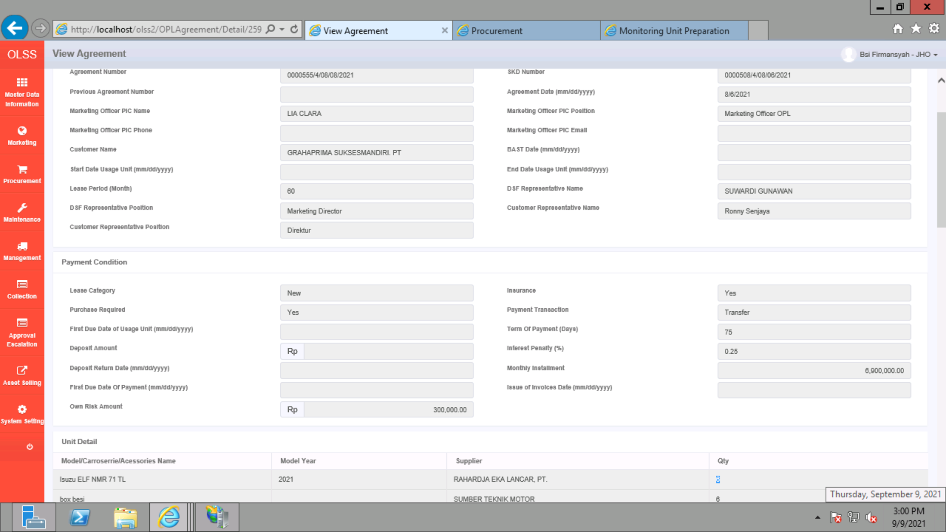
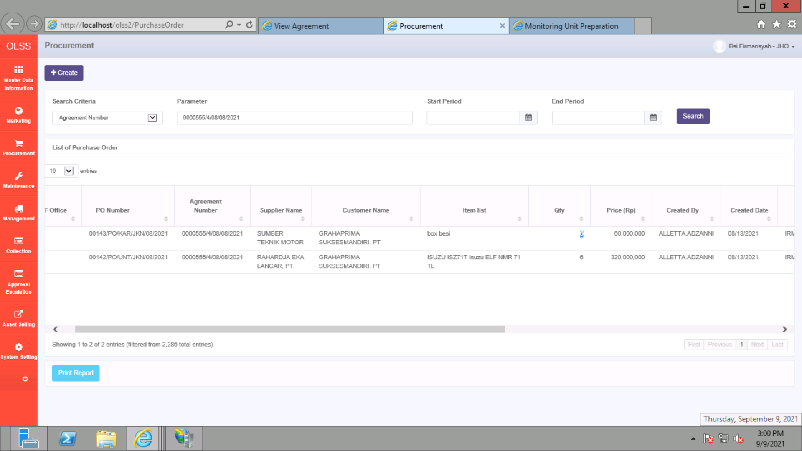
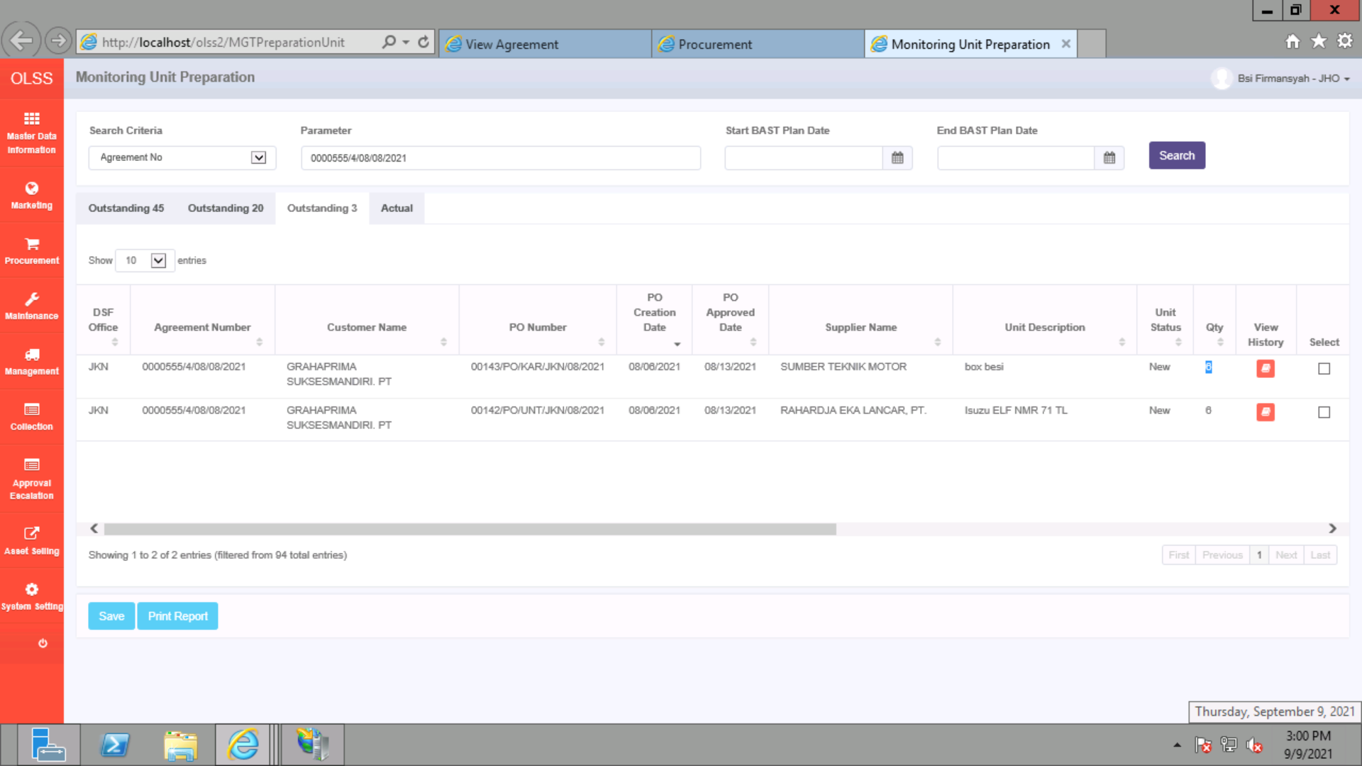
BEFORE
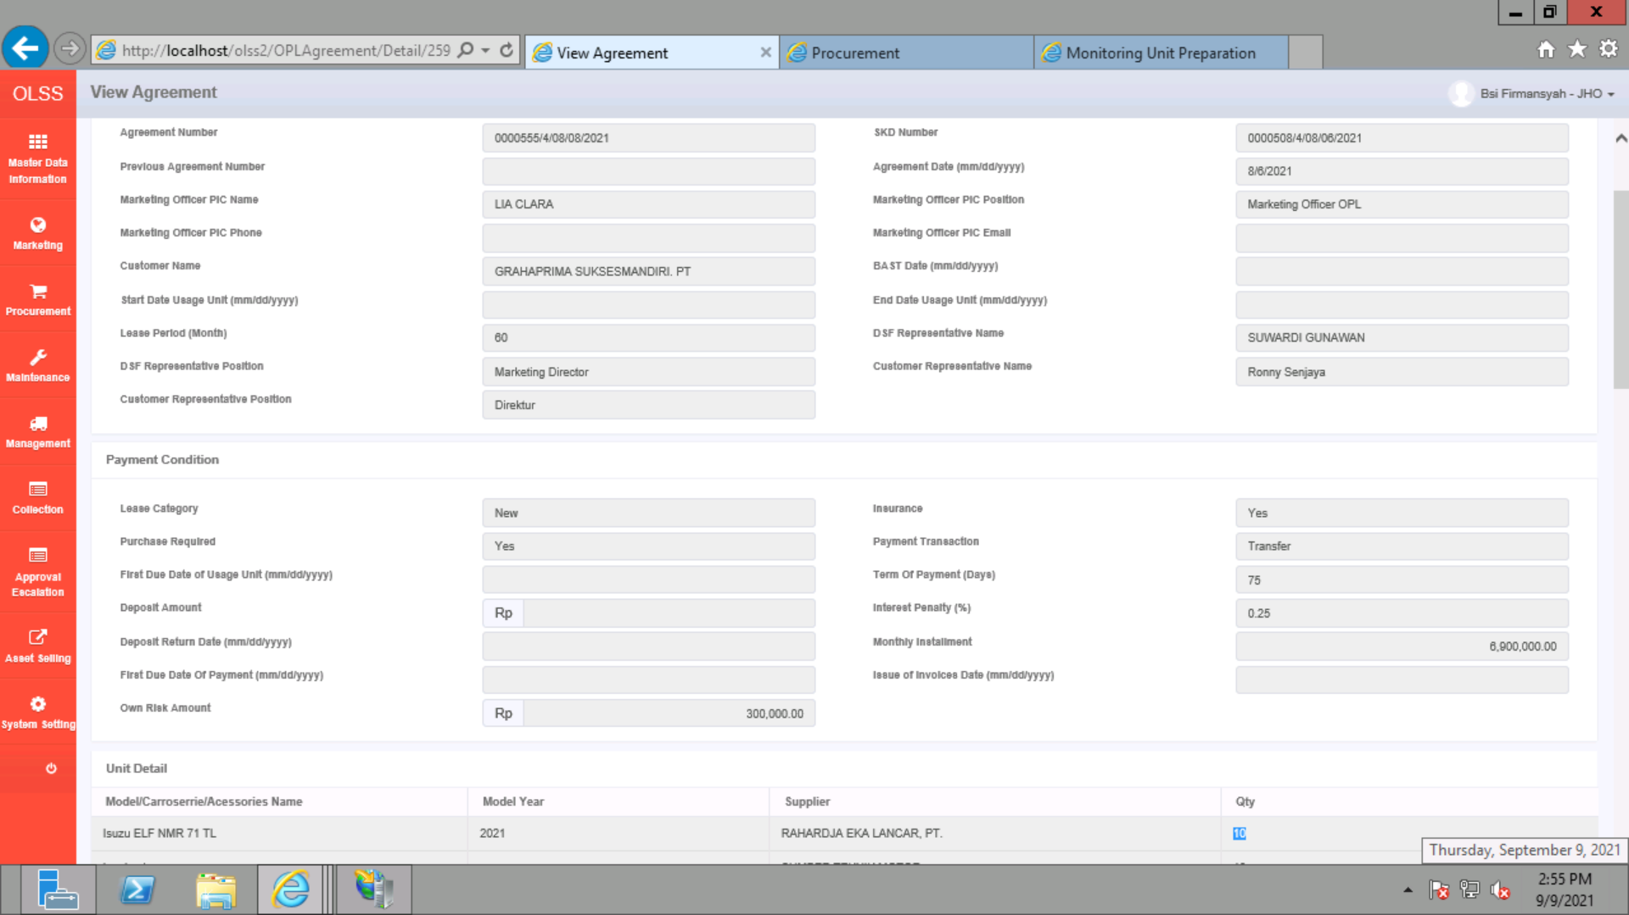



AFTER

